Plot
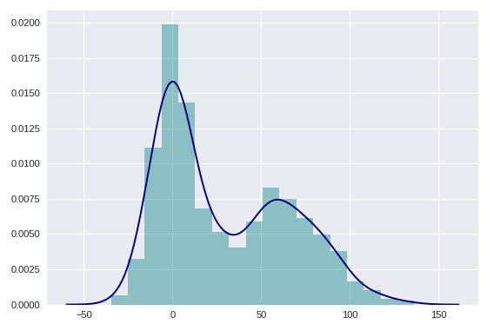
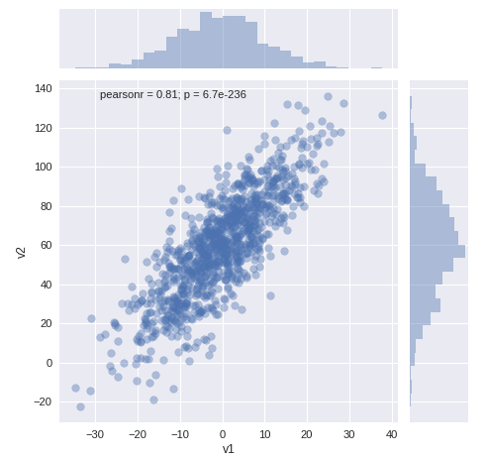
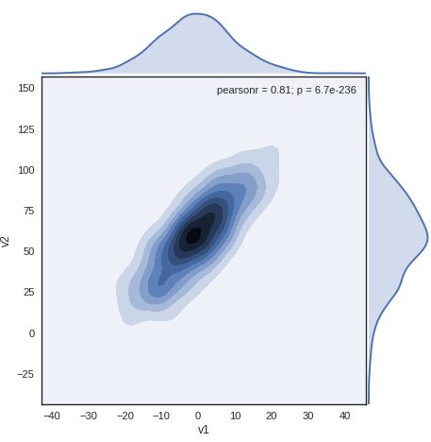
multiple plots example | import necessary packages
 | import pandas as pd import matplotlib import matplotlib.pyplot as plt import matplotlib.patches as mpatches %matplotlib inline import numpy as np from numpy.random import randn
 | start plot
 | 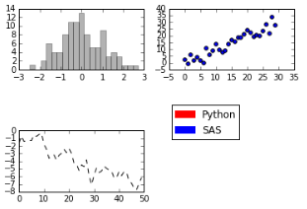 # create a new figure fig = plt.figure() # add subfigures to the existing figure ax1 = fig.add_subplot(2, 2, 1) ax2 = fig.add_subplot(2, 2, 2) ax3 = fig.add_subplot(2, 2, 3) ax1.hist(randn(100), bins=20, color="k", alpha=0.3) ax2.scatter(np.arange(30), np.arange(30) + 3 * randn(30)) ax3.plot(randn(50).cumsum(), "k--") fig.subplots_adjust(hspace=1,wspace=0.2) # create patches red_patch = mpatches.Patch(color="red", label="Python") blue_patch = mpatches.Patch(color="blue", label="SAS") # display legend plt.legend(handles=[red_patch,blue_patch],bbox_to_anchor=(1.8, 1.5)) | (2,2,1) first two 2s means it is a 2x2 plot 1 means it is the first block adjust space between the plots hspace = 1 means in each col, the distance between plots is1 wspace = 0.2 means in each row, the distance between plots is 0.2 add legend bbox_to_anchor is used to adjust the position of the legend

multiple plots with the same axis | example
 | plt.figure() ax1 = plt.subplot(1,2,1) plt.plot([1,2,3],"-o") ax2 = plt.subplot(1,2,3, sharey = ax1) plt.plot([2,4,5],"-x")
 | or use subplots instead of subplot to init a once
 | fig, ((ax1,ax2,ax3),(ax4,ax5,ax6),(ax7,ax8,ax9))) = plt.subplots(3,3, sharex = True, sharey = True)
 | use gridspec function to create different sizes subplots
 | import matplotlib.gridspec as gridspec plt.figure() gspec = gridspec.GridSpec(3,3) top = plt.subplot(gspec[0,1:]) side = plt.subplot(gspec[1:,0]) low = plt.subplot(gspec[1:,1:]) top.plot([1,2,3]) | 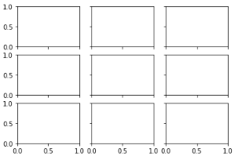

plt: scatter plot example | create everything based on plt
 | 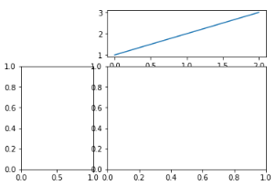 x = [1,2,3,4] y = [2,3,4,5] plt.figure() plt.scatter(x[:2],y[:2],c="red",label="A") plt.scatter(x[2:],y[2:],c="blue",label="B") plt.xlabel("Student Index") plt.ylabel("Count") plt.title("My Scatter plot") plt.legend(loc = 4, frameon = False,title="this is my legend") # 4 for lower right corner | start with plt.figure() you can keep adding anything to it by calling plt

axis | rotate labels on x axis
 | 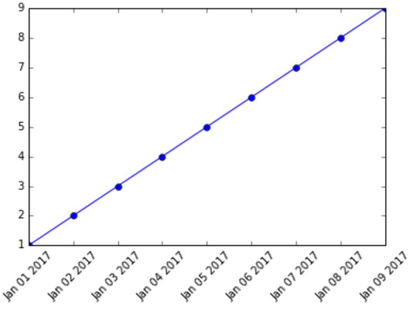 linear_data = np.array(list(range(1,10))) date_np = np.arange("2017-01-01","2017-01-10",dtype="datetime64[D]") plt.figure() plt.plot(date_np,linear_data,"-o") x = plt.gca().xaxis for item in x.get_ticklabels(): item.set_rotation(45)
 | adjust axis range
 | fig = plt.figure(figsize=(4,2)) plt.axis([0,4, 0, 5])
 | twin axis
 | 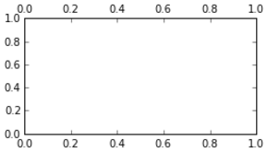 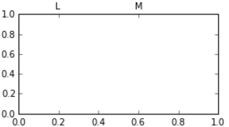 fig = plt.figure(figsize=(4,2)) ax = plt.subplot(111) # get twin axis ax2 = ax.twiny() # change ticks distribution on the axis ax2.set_xticks([0.2,0.6]) # change ticks labels ax2.set_xticklabels(["L","M"])
 | share axes & adjust width
 | fig, axes = plt.subplots(2, 2, sharex=True, sharey=True) for i in range(2): for j in range(2): axes[i, j].hist(randn(500), bins=50, color="k", alpha=0.5) plt.subplots_adjust(wspace=0, hspace=0) | sharex & sharey: share axes subplots_adjust: adjust space between plots

barplot | bar plot
 | matplotlib.style.use("ggplot") df = pd.DataFrame(np.random.rand(6, 4), index=["one", "two", "three", "four", "five", "six"], columns=pd.Index(["A", "B", "C", "D"], name="Genus")).round(2) >>> df A B C D one 0.29 0.40 0.39 0.21 two 0.68 0.66 0.01 0.70 three 0.85 0.76 0.65 0.27 four 0.39 0.65 0.59 0.31 five 0.66 0.86 0.35 0.67 six 0.17 0.66 0.83 0.63 df.plot(kind="bar") df.plot(kind="barh", stacked=True, alpha=0.5) | Note: one, two… are the indices the indices are used as the sections the column names are used as the subsections the values are for the bar length If you want a stacked bar plot the indices are used as sections the column names are used as subsections alpha = the transparency
 | bar char: all by yourself
 | plt.figure() x_value = range(5) bar_value = [2,4,3,6,7] plt.bar(x_value,bar_value,width=0.3) #-------------------------------- plt.figure() x_value = range(5) bar_value = [2,4,3,6,7] plt.bar(x_value,bar_value,width=0.3) new_x_value = [] for item in x_value: new_x_value.append(item + 0.3) new_bar_value = [2,4,6,2,5] plt.bar(new_x_value,new_bar_value,width = 0.3 ,color = "red") #-------------------------------- plt.figure() x_value = range(5) bar_value = [2,4,3,6,7] plt.bar(x_value,bar_value,width=0.3) new_bar_value = [2,4,6,2,5] plt.bar(x_value,new_bar_value,width = 0.3 ,bottom= bar_value,color = "red") #-------------------------------- # for hrizontal bar plot use plt.barh instead of plt.bar | 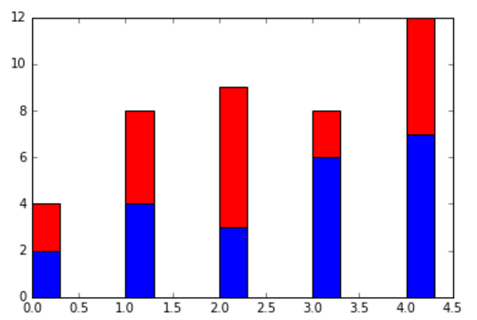 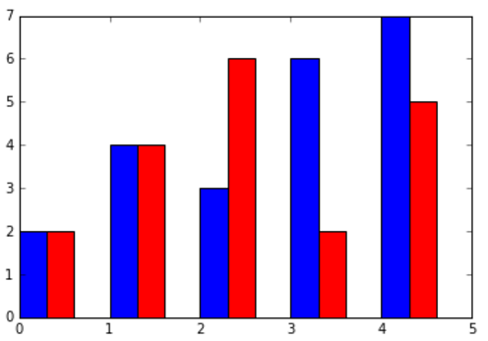 the basics add horizontally add vertically
 | different bar colors
 | plt.figure() pos = np.arange(5) popularity = [56, 39, 34, 34, 29] bars = plt.bar(pos, popularity, align="center", linewidth=0, color="lightslategrey") bars[0].set_color("#1F77B4")
 | add value labels to each bar
 | plt.figure() pos = np.arange(5) popularity = [56, 39, 34, 34, 29] bars = plt.bar(pos, popularity, align="center", linewidth=0, color="lightslategrey") bars[0].set_color("#1F77B4") for bar in bars: plt.gca().text(bar.get_x() + bar.get_width()/2, bar.get_height() - 5, str(int(bar.get_height())) + "%", ha="center", color="w", fontsize=11) | 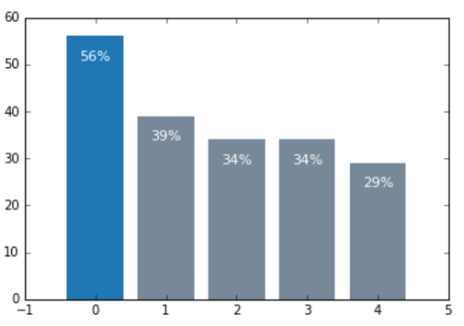

line plot | color, line type, dot type
 | plt.plot(randn(30).cumsum(), "ko--") plt.plot(randn(30).cumsum(), color="k", linestyle="dashed", marker="o") | two are equivalent
 | lengend, label and an interesting drawstyle
 | data = randn(30).cumsum() plt.plot(data, "k--", label="Default") plt.plot(data, "k-", drawstyle="steps-post", label="steps-post") plt.legend(loc="best") | label: will be used if you want to add a legend
 | quick plot of cols in a df
 | 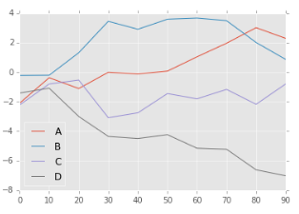 df = pd.DataFrame(np.random.randn(10, 4).cumsum(0), columns=["A", "B", "C", "D"], index=np.arange(0, 100, 10)) df.plot()
 | line plot with markers
 | fig = plt.figure() ax = fig.add_subplot(1,1,1) ax.plot(np.random.randn(20),marker= ">", color = "purple",markevery=5,markersize = 5) | It is very flexible you can change the density and the size of the marker
 | line plot: fill in colors between two lines
 | 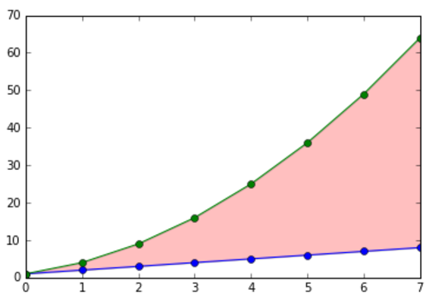 linear_data = np.array(list(range(1,9))) q_data = linear_data**2 plt.figure() plt.plot(linear_data,"-o",q_data,"-o") plt.gca().fill_between(range(len(linear_data)), linear_data,q_data, facecolor = "red", alpha = 0.25) # alpha = transparency level

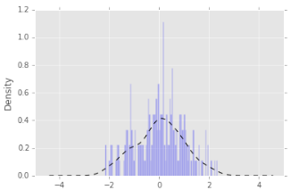
scatter plot | scatter plot
 | fig = plt.figure() ax = fig.add_subplot(1,1,1) ax.scatter(np.random.randn(200), np.random.randn(200))

histogram | histogram and its density plot
 | v = np.random.normal(0, 1, size=200) # N(0, 1) v = pd.Series(v) v.hist(bins=100, alpha=0.3, color="blue", normed=True) v.plot(kind="kde", style="k--")

boxplot | multiple boxplots on the same plot Using a list of list
 | plt.boxplot([[1,2,35],[2,4,8],[-2,8,2]], whis = "range")

heat map with probabilities | here you go
 | plt.figure() y = np.random.normal(loc=0.0,scale = 1,size = 10000) x = np.random.random(size = 10000) plt.hist2d(x,y, bins=25) plt.colorbar()

addon | title and super title
 | fig = plt.figure(figsize=(10,7)) plt.suptitle("I am a super title", fontsize=14, fontweight="bold",color = "white") plt.title("I am a small title",color = "white")
 | plot text around the dots
 | 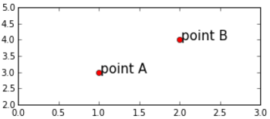 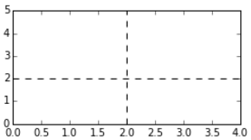 fig = plt.figure(figsize=(5,2)) x = [1,2] y = [3,4] text = ["point A", "point B"] plt.plot(x,y, "ro") plt.axis([0,3, 2, 5]) for i, txt in enumerate(text): plt.annotate(txt, (x[i]+0.02,y[i]),fontsize = 15) # text with arrows date_list = [datetime.strptime("2016-03-01", "%Y-%m-%d") + relativedelta(days=i) for i in range(0,50)] value_list = randn(50) important_dates = [(datetime(2016, 3, 16), "Someone"s birthday"), (datetime(2016, 4, 1), "April Fools")] fig = plt.figure() ax = fig.add_subplot(1,1,1) ax.plot(date_list, value_list) for date, label in important_dates: ax.annotate(label, xy=(date,1), xytext=(date,2), arrowprops=dict(facecolor="black"), horizontalalignment="left", verticalalignment="top") | the first input of annotate: the text lable you want to display the second input: the x and y value of the text xy = (date, 1) where 1 is the y value of the lowest point of the arrow xytext = (date, 2) where 2 is the y value of the largest point of the arrow
 | draw vertical/horizontal lines
 | fig = plt.figure(figsize=(4,2)) plt.axis([0,4, 0, 5]) plt.axvline(2, color="k", linestyle="--") plt.axhline(2, color="k", linestyle="--")
 | draw rectangles
 | fig = plt.figure(figsize=(4,2)) ax = plt.subplot(111) rect_HH = plt.Rectangle((0.1, 0.1),0.3, 0.5, color="red", alpha=0.3) ax.add_patch(rect_HH) | first input: the left bottom corner of the rectangle second input, the horizontal length third input, the vertical length
 | ggplot style
 | matplotlib.style.use("ggplot")
 | set size of the plot by using figsize
 | fig = plt.figure(figsize=(7,7)) ax = fig.add_subplot(111) ax.plot(x,y, "ro")

animation | example
 | %matplotlib inline import numpy as np import matplotlib.pyplot as plt from matplotlib import animation, rc from IPython.display import HTML # First set up the figure, the axis, and the plot element we want to animate fig, ax = plt.subplots() ax.set_xlim(( 0, 2)) ax.set_ylim((-2, 2)) line, = ax.plot([], [], lw=2) # initialization function: plot the background of each frame def init(): line.set_data([], []) return (line,) # animation function. This is called sequentially def animate(i): x = np.linspace(0, 2, 1000) y = np.sin(2 * np.pi * (x - 0.01 * i)) line.set_data(x, y) return (line,) # call the animator. blit=True means only re-draw the parts that have changed. anim = animation.FuncAnimation(fig, animate, init_func=init, frames=100, interval=20, blit=True) Anim

3D example | 3d example
 | import numpy as np from mpl_toolkits.mplot3d import Axes3D import matplotlib.pyplot as plt def randrange(n, vmin, vmax): return (vmax - vmin)*np.random.rand(n) + vmin fig = plt.figure() ax = fig.add_subplot(111, projection="3d") n = 100 for c, m, zl, zh in [("r", "o", -50, -25), ("b", "^", -30, -5)]: xs = randrange(n, 23, 32) ys = randrange(n, 0, 100) zs = randrange(n, zl, zh) ax.scatter(xs, ys, zs, c=c, marker=m) ax.set_xlabel("X Label") ax.set_ylabel("Y Label") ax.set_zlabel("Z Label") plt.show()

check var relation | parallel plots
 | from sklearn.datasets import load_iris from pandas.tools.plotting import parallel_coordinates import pandas as pd import matplotlib.pyplot as plt import matplotlib # Look pretty... matplotlib.style.use("ggplot") # If the above line throws an error, use plt.style.use("ggplot") instead # Load up SKLearn"s Iris Dataset into a Pandas Dataframe data = load_iris() df = pd.DataFrame(data.data, columns=data.feature_names) df["target_names"] = [data.target_names[i] for i in data.target] # Parallel Coordinates Start Here: plt.figure() parallel_coordinates(df, "target_names") plt.show() | 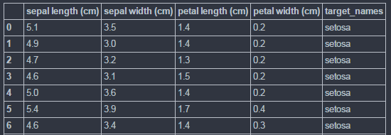 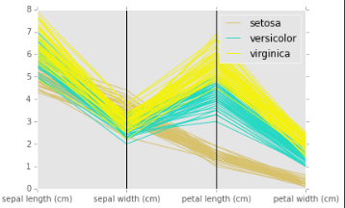 when you have a categorical data and mutiple numerical data, to visualize the relations, use parallel plots.
 | Andrews plot
 | from sklearn.datasets import load_iris from pandas.tools.plotting import andrews_curves import pandas as pd import matplotlib.pyplot as plt import matplotlib # Look pretty... matplotlib.style.use("ggplot") # If the above line throws an error, use plt.style.use("ggplot") instead # Load up SKLearn"s Iris Dataset into a Pandas Dataframe data = load_iris() df = pd.DataFrame(data.data, columns=data.feature_names) df["target_names"] = [data.target_names[i] for i in data.target] # Andrews Curves Start Here: plt.figure() andrews_curves(df, "target_names") plt.show() | 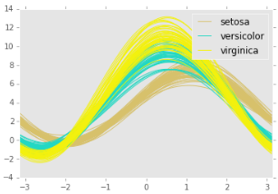 the smooth version of parallel plots used to visulize high dimensional data

Matrix heat map | heat map in matrices
 | df = pd.DataFrame(np.random.randn(1000, 5), columns=["a", "b", "c", "d", "e"]) plt.imshow(df.corr(), cmap=plt.cm.Blues, interpolation="nearest") plt.colorbar() tick_marks = [i for i in range(len(df.columns))] plt.xticks(tick_marks, df.columns, rotation="vertical") plt.yticks(tick_marks, df.columns) plt.show() | 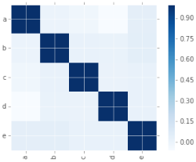

Map | plot on the map - for more details, check folium tab
 | import pandas as pd import folium SF_COORDINATES = (37.76, -122.45) data = {"Category": {0: "NON-CRIMINAL",1: "WARRANTS",2: "LARCENY/THEFT",3: "FRAUD", 4: "BURGLARY", 5: "LARCENY/THEFT"}, "DayOfWeek": {0: "Sunday",1: "Thursday",2: "Sunday",3: "Monday", 4: "Sunday", 5: "Friday"}, "Y": {0: -122.491851328976,1: -122.410891754793,2: -122.41925169775101,3: -122.41335418701799, 4: -122.39563543616801, 5: -122.40340479147899}, "X": {0: 37.781755725592106,1: 37.7809097652868,2: 37.7464537868984,3: 37.769074800384701, 4: 37.7535645746594, 5: 37.775420706711003}, "index": {0: 0, 1: 16000, 2: 19, 3: 108000, 4: 57, 5: 100000}} Df = pd.DataFrame(data) map_osm = folium.Map(location=SF_COORDINATES, zoom_start = 9) cate_group = folium.FeatureGroup(name="Category") for i in range(0,df.shape[0]): folium.Marker(location=[df["X"][i], df["Y"][i]], popup = df["Category"][i], icon=folium.Icon(icon="cloud")).add_to(cate_group) cate_group.add_to(map_osm) folium.LayerControl().add_to(map_osm) map_osm | 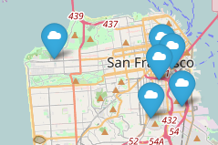

interactive plot | example
 | import pandas as pd import matplotlib import matplotlib.pyplot as plt import numpy as np from numpy.random import randn %matplotlib notebook origins = ["China","Brazil","India","USA","Canada","UK","Germany", "Iraq","Chile","Mexico"] df = pd.DataFrame({"height": np.random.rand(10),"weight":np.random.rand(10), "origin":origins}) plt.figure() plt.scatter(df["height"],df["weight"],picker=5) plt.gca().set_ylabel("Weight") plt.gca().set_xlabel("Height") def onpick(event): origin = df.iloc[event.ind[0]]["origin"] plt.gca().set_title("came from {}".format(origin)) plt.gcf().canvas.mpl_connect("pick_event",onpick) plt.show() | plt.gca() returns the current axis, where gca means “get current axis” plt.gcf() returns the current figure

seaborn package | import packages
 | import numpy as np import pandas as pd import matplotlib.pyplot as plt import seaborn as sns
 | create vars
 | v1 = pd.Series(np.random.normal(0,10,1000),name = "v1") v2 = pd.Series(2*v1 + np.random.normal(60,15,1000),name = "v2") v3 = np.concatenate((v1,v2))
 | simple syntax kde
 | plt.figure() sns.distplot(v3,hist_kws = {"color":"Teal"},kde_kws ={"color":"Navy"})
 | simple syntax joint correlation analysis
 | sns.jointplot(v1,v2,alpha=0.4)
 | easy to set styles
 | sns.set_style("white") sns.jointplot(v1,v2,kind="kde",space = 0)

Folium
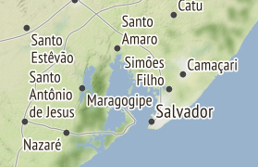
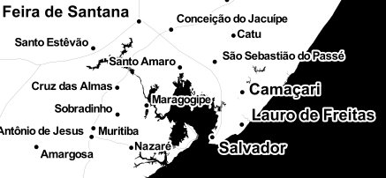

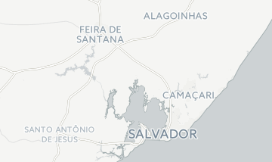
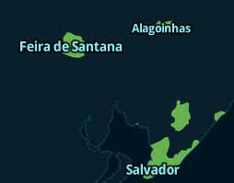
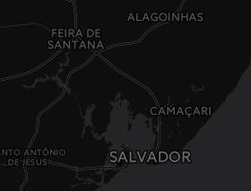
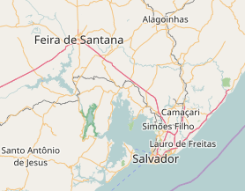
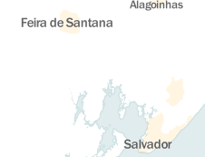
examples | plot dots by using a list (avoid loops)
 | 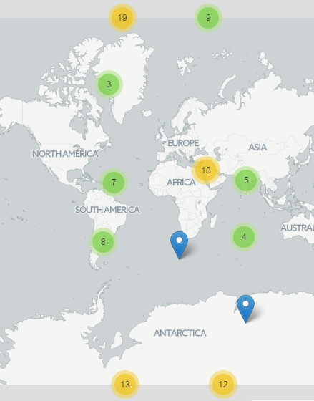 import numpy as np import os import folium from folium.plugins import MarkerCluster size = 100 lons = np.random.randint(-180, 180, size=size) lats = np.random.randint(-90, 90, size=size) locations = list(zip(lons, lats)) popups = ["{}".format(loc) for loc in locations] m = folium.Map(location=[np.mean(lats), np.mean(lons)], tiles="Cartodb Positron", zoom_start=1) m.add_child(MarkerCluster(locations=locations, popups=popups))
 | heat map on country level data
 | 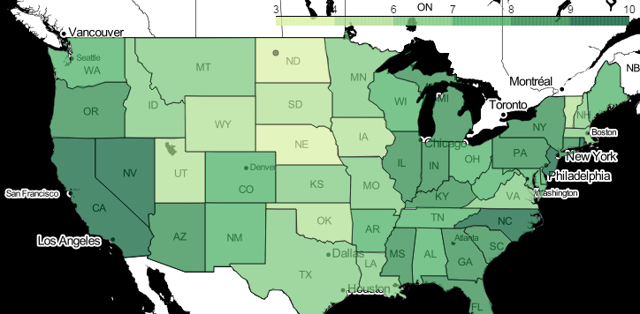 state_geo = os.path.join("data", "us-states.json") state_unemployment = os.path.join("data", "US_Unemployment_Oct2012.csv") state_data = pd.read_csv(state_unemployment) m = folium.Map(location=[48, -102], zoom_start=3, tiles="Stamen Toner") m.choropleth( geo_path=state_geo, #the path of the json file data=state_data, #the dataframe columns=["State", "Unemployment"], key_on="feature.id", fill_color="YlGn", fill_opacity=0.7, #transparency line_opacity=0.2, legend_name="Unemployment Rate (%)" ) popup = "Must be on top of the choropleth" m.add_child(folium.CircleMarker(location=[48, -102], radius=10, popup=popup)) m.save(os.path.join( "CheckZorder.html")) m
 | user defined functions to assign color
 | us_states = os.path.join("data", "us-states.json") US_Unemployment_Oct2012 = os.path.join("data", "US_Unemployment_Oct2012.csv") geo_json_data = json.load(open(us_states)) unemployment = pd.read_csv(US_Unemployment_Oct2012) unemployment_dict = unemployment.set_index("State")["Unemployment"] def my_color_function(feature): """Maps low values to green and hugh values to red.""" if unemployment_dict[feature["id"]] > 6.5: return "#ff0000" else: Return "#008000" m = folium.Map([43, -100], tiles="cartodbpositron", zoom_start=4) folium.GeoJson( geo_json_data, # the opened json file style_function=lambda feature: { "fillColor": my_color_function(feature), # user-defined function to assign color "color": "black", "weight": 2, "dashArray": "5, 5" } ).add_to(m) m.save(os.path.join("Colormaps_0.html")) m | 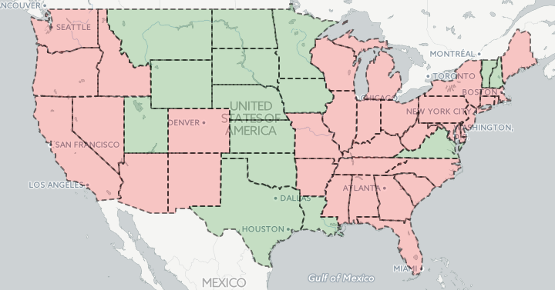 red if unemployment rate > 6.5 green otherwise
 | Customize the icon on the map
 | from folium.features import CustomIcon m = folium.Map(location=[45.372, -121.6972], zoom_start=12, tiles="Stamen Terrain") icon_image = "http://leafletjs.com/examples/custom-icons/leaf-red.png" shadow_image = "http://leafletjs.com/examples/custom-icons/leaf-shadow.png" icon = CustomIcon( icon_image, icon_size=(38, 95), icon_anchor=(22, 94), shadow_image=shadow_image, shadow_size=(50, 64), shadow_anchor=(4, 62), popup_anchor=(-3, -76) ) marker = folium.Marker(location=[45.3288, -121.6625], icon=icon, popup="Mt. Hood Meadows") m.add_child(marker) m | 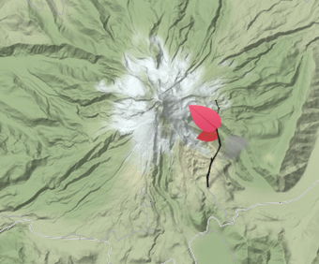
 | draw lines on the map
 | lon = 0 lat = 0 zoom_start = 3 m = folium.Map(location=[lat, lon], zoom_start=zoom_start) kw = dict(opacity=1.0, weight=4) l0 = folium.PolyLine(locations=[(6, 10), (6, -10)], color="green", **kw) l1 = folium.PolyLine(locations=[(12, 10), (12, -10)], color="orange", **kw) for l in [l0, l1]: m.add_child(l) m | 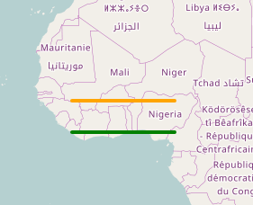
 | heat map
 | from folium.plugins import HeatMap data = (np.random.normal(size=(100, 2)) + np.array([[48, 5]])).tolist() m = folium.Map([48., 5.], tiles="stamentoner", zoom_start=6) HeatMap(data).add_to(m) m | 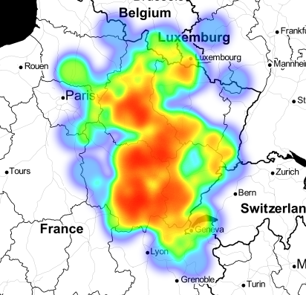
 | add picture to the plot
 | from folium import plugins from scipy.ndimage import imread # set the four corners for the picture min_lon = -123.5617 max_lon = -121.0617 min_lat = 37.382166 max_lat = 39.048834 # create the map map_ = folium.Map(location=[38.2, -122], tiles="Stamen Terrain", zoom_start = 8) # read in png file to numpy array data = imread("./data/Capture.PNG") # Overlay the image map_.add_children(plugins.ImageOverlay(data, opacity=0.8, \ bounds =[[min_lat, min_lon], [max_lat, max_lon]])) map_ | 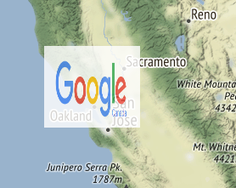
 | fix the range of the map
 | lon = -(41 + 20/60. + 17/60/60.) lat = -(20 + 59/60. + 35/60/60.) m = folium.Map( location=[lat, lon], zoom_start = 5, max_zoom = 6, min_zoom = 4, min_lat = 0, max_lat = 50, min_lon = 0, max_lon = 50 ) m
 | tiles to choose
 | OpenStreetMap Mapbox Bright Mapbox Control Room Stamen Terrain Stamen Toner Stamen Watercolor Cartodb Positron Cartodb dark_matter
 | for more information
 | check: https://github.com/python-visualization/folium

